Sheet1
x | y | m = | 0.37755 | c = | 4.716
Income | Rent | Pred | Error
$2,300 | $950 | $873.08 | $76.92
$1,400 | $500 | $533.29 | $-33.29
$2,400 | $1,000 | $910.84 | $89.16
$5,250 | $1,800 | $1,986.85 | $-186.85
$4,375 | $1,600 | $1,656.50 | $-56.50
$1,800 | $600 | $684.31 | $-84.31
$1,500 | $500 | $571.04 | $-71.04
$1,600 | $600 | $608.80 | $-8.80
$4,150 | $1,800 | $1,571.55 | $228.45
$4,500 | $1,750 | $1,703.69 | $46.31

$4,000 | ?

y = 0.3776 * x + 4.716
y = | 1515.116
 |  |  |  | Eq of Line : y = mx + c
m = ? | c = ?

 |  |  |  |  |  | x | y |  | x - x.bar | y - y.bar | Product |  | (x - x.bar)^2
 |  |  |  |  |  | $2,300 | $950 |  | $-628 | $-160 | 100400 |  | 393756.25
 |  |  |  |  |  | $1,400 | $500 |  | $-1,528 | $-610 | 931775 |  | 2333256.25
 |  |  |  |  |  | $2,400 | $1,000 |  | $-528 | $-110 | 58025 |  | 278256.25 | m = | 0.37755216316
 |  |  |  |  |  | $5,250 | $1,800 |  | $2,323 | $690 | 1602525 |  | 5394006.25
 |  |  |  |  |  | $4,375 | $1,600 |  | $1,448 | $490 | 709275 |  | 2095256.25 | y = 0.3776 * x + c
 |  |  |  |  |  | $1,800 | $600 |  | $-1,128 | $-510 | 575025 |  | 1271256.25
 |  |  |  |  |  | $1,500 | $500 |  | $-1,428 | $-610 | 870775 |  | 2037756.25 | c = y.bar - 0.3776 * x.bar
 |  |  |  |  |  | $1,600 | $600 |  | $-1,328 | $-510 | 677025 |  | 1762256.25
 |  |  |  |  |  | $4,150 | $1,800 |  | $1,223 | $690 | 843525 |  | 1494506.25 | c = | 4.7160423513
 |  |  |  |  |  | $4,500 | $1,750 |  | $1,573 | $640 | 1006400 |  | 2472756.25
 |  |  |  |  | Mean = | $2,928 | $1,110 |  |  | N = | 7374750 | D = | 19533062.5

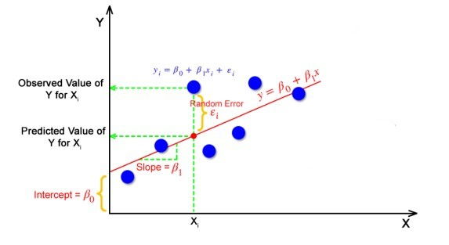

 |  |  | y |  | yp
 |  |  | Rent |  | Pred |  | yp - y.bar | Sq |  | y - y.bar | Sq
 |  |  | $950 |  | $873.08 |  | $-236.92 | 56130.612561 |  | -160 | 25600
 |  |  | $500 |  | $533.29 |  | $-576.71 | 332599.0378 |  | -610 | 372100
 |  |  | $1,000 |  | $910.84 |  | $-199.16 | 39666.298896 |  | -110 | 12100
 |  |  | $1,800 |  | $1,986.85 |  | $876.85 | 768872.06046 |  | 690 | 476100
 |  |  | $1,600 |  | $1,656.50 |  | $546.50 | 298659.24426 |  | 490 | 240100
 |  |  | $600 |  | $684.31 |  | $-425.69 | 181215.38164 |  | -510 | 260100
 |  |  | $500 |  | $571.04 |  | $-538.96 | 290476.80368 |  | -610 | 372100
 |  |  | $600 |  | $608.80 |  | $-501.20 | 251205.44962 |  | -510 | 260100
 |  |  | $1,800 |  | $1,571.55 |  | $461.55 | 213027.01785 |  | 690 | 476100
 |  |  | $1,750 |  | $1,703.69 |  | $593.69 | 352469.00348 |  | 640 | 409600
 |  |  | $1,110 |  |  |  | N = | 2784320.9102 |  | D = | 2904000

 |  |  |  |  |  |  |  |  | 0.95878819223

